Gemini_cases
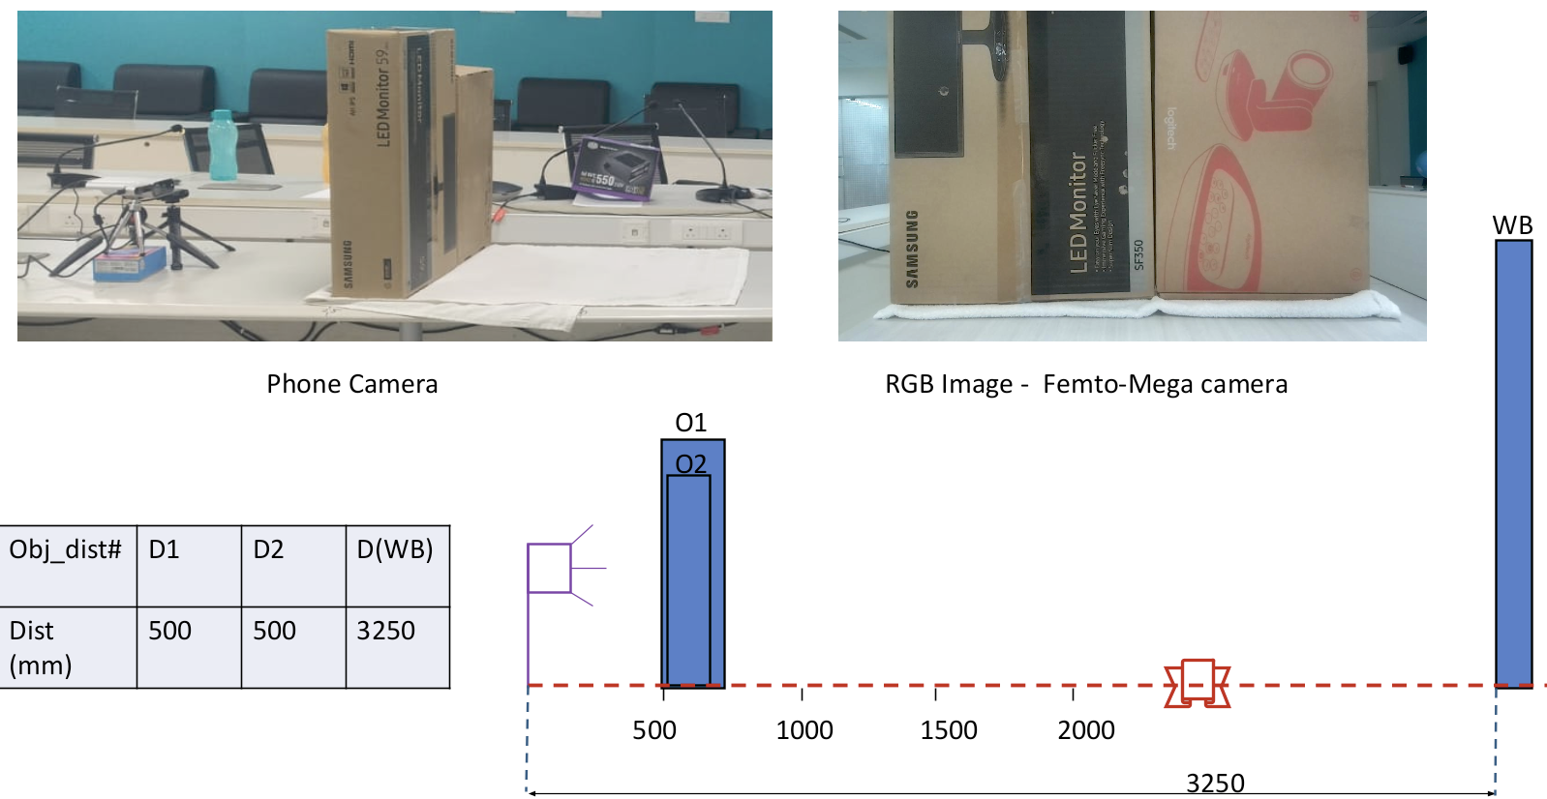
No. | Case | File Path

1 | 6 objects + whiteboard | jun1726_depth/Orbbec Gemini336/Gemini_122_v2_7_obj_6_PM/Gemini_122_v2_with_light_7_obj_6_PM
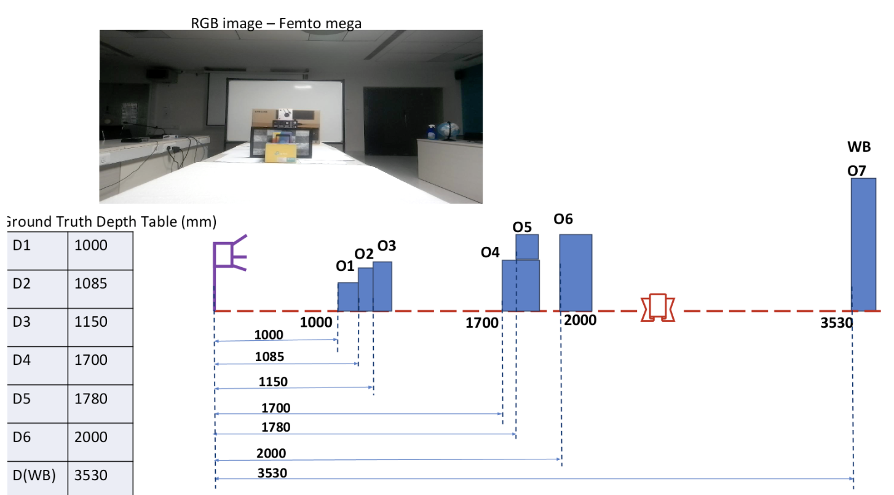

2 | Samsung box 0.5m | Captures_June_29_Depth/Femto & Gemini/Linear Cases/Gemini/Gemini_50cm_2box

